Numbering System
Project : LMC PF1 ROR
Owner : Michelin Laemchabang
DRAWING NUMBERING CONTROL (Drawing no.)
Proj Number |  | Factory |  | Bldg No. | Discipline / number
18043 | - | LM |  | XXX | XXXXX

DRAWING NUMBERING CONTROL (File name)
Proj Number |  | Factory |  | Bldg No. | Discipline / number | Revision | Drawing name
18043 | - | LM |  | XXX | XXXXX | Rv.X | XXX

Drawing no. |  | 18043-LM000 01105

File Name |  | 18043-LM000 01105 Rv.A Plot plan

Proj. Number |  | 18043
 |  |  |  |  |  | กรณีแบบที่ทำต่อๆๆๆๆ กันเลขหมด หรืออะไรก็ตาม
Factory |  | LM |  |  |  | ไม่ต้องรันเลขต่อก็ได้ (แบบที่ปกติเราทำ)
 |  |  |  |  |  | ให้ใช้เลขซ้ำได้เลย
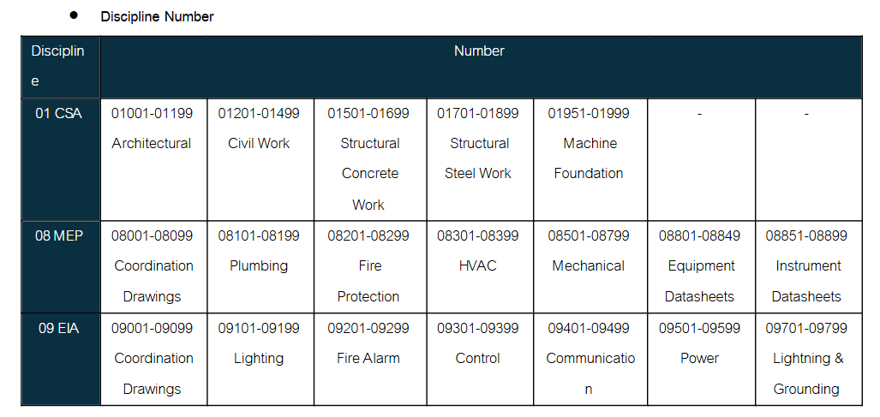
 |  |  |  |  |  | เพราะเรามีเลขโปรเจคอยู่แล้ว ไม่ซ้ำแน่นอน
Area |  | 646 |  | ASRS Building
 |  | 231 |  | Curing office & Workshop
 |  | 231 |  | Toilet
 |  | 520 |  | Cold Preparation Workshop
 |  | 561 |  | TBM Workshop
 |  | 191 |  | After Curing Workshop
 |  | 642 |  | Modification of Hot Water Improvement

 |  | BME |  | Code used for drawing showing several buildings
 |  | BMS |  | Code used for standard details ( Typical detail)
Discipline |  | Use michelin Code

Phase |  | Detailed Design | - | DDD
 |  | For Construction | - | IFC
 |  | As-built | - | ASB

Revision |  | Basic & Detail Design & Bidding & Permit
 |  | A, B, C, ….

Notes |  | กรณีเอาแบบ Detailed Design มาทำรายละเอียดเพิ่มเพื่อออก Permit ให้เติม -P ไว้ด้านหลัง (น่าจะมีแค่แบบ Architect)

Subcover
LMC PF1 ROR PROJECT LAEM CHABANG CHONBURI, THAILAND

SAMPLE (OPTIONAL)

 | 0. CIVIL WORKS

LMC PF1 ROR PROJECT LAEM CHABANG CHONBURI, THAILAND

 | 1. ARCHITECTURAL WORKS

LMC PF1 ROR PROJECT LAEM CHABANG CHONBURI, THAILAND

 | 2. STRUCTURAL WORKS

LMC PF1 ROR PROJECT LAEM CHABANG CHONBURI, THAILAND

 | 3. MECHANICAL WORKS

LMC PF1 ROR PROJECT LAEM CHABANG CHONBURI, THAILAND

 | 4. ELECTRICAL WORKS

